Stock 14-10-2021
Stock: | BEL Return Products 14/10/2021
BEL

IMG | NAME | QTY | LIST PRICE
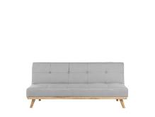 | Froya | 1 | 569.00 €
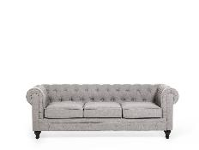 | Chesterfield | 1 | 1,289.00 €
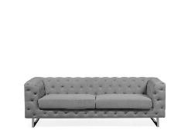 | Vissland | 1 | 1,209.00 €
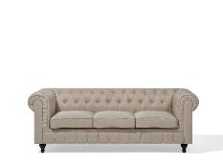 | Chesterfield | 1 | 1,439.00 €
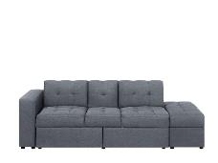 | FALSTER | 1 | 879.00 €
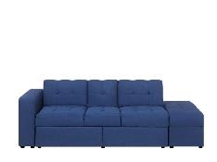 | FALSTER | 1 | 1,049.00 €
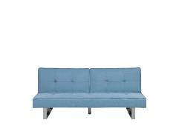 | DUBLIN | 1 | 499.00 €
 | HELSINKI | 1 | 1,059.00 €
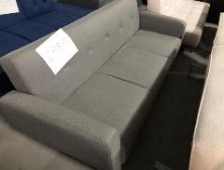 | Flori | 1 | 779.00 €
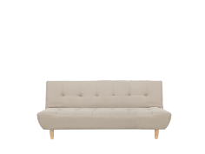 | ALSTEN | 1 | 669.00 €
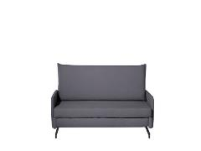 | BELFAST | 1 | 949.00 €
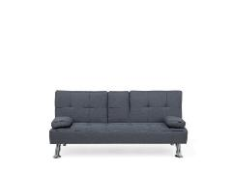 | ROXEN | 1 | 379.00 €
 | FALSTER | 1 | 1,049.00 €
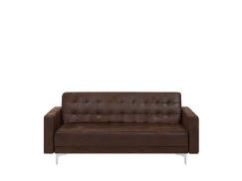 | ABERDEEN | 1 | 839.00 €
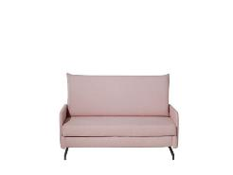 | BELFAST | 1 | 949.00 €
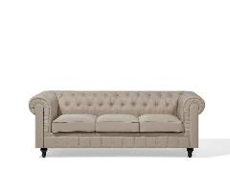 | CHESTERFIELD | 1 | 1,439.00 €
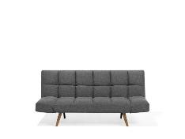 | INGARO | 1 | 599.00 €
 | CHESTERFIELD | 1 | 1,419.00 €
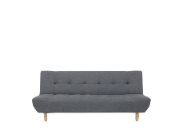 | ALSTEN | 1 | 669.00 €
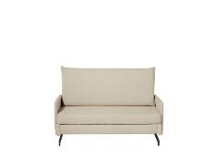 | BELFAST | 1 | 949.00 €
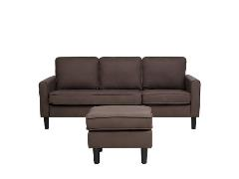 | AVESTA | 1 | 719.00 €
 | ROXEN | 1 | 379.00 €
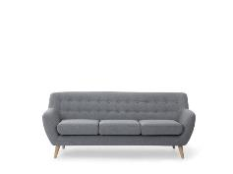 | MOTALA | 1 | 919.00 €
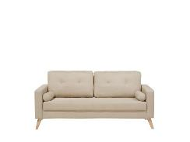 | Kalmar | 1 | 649.00 €
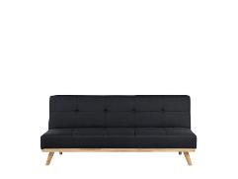 | FROYA | 1 | 499.00 €
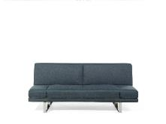 | YORK | 1 | 669.00 €
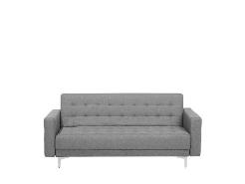 | ABERDEEN | 1 | 759.00 €
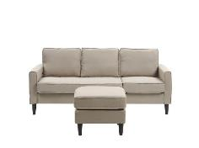 | AVESTA | 1 | 719.00 €
 | BORNHOLM | 1 | 879.00 €
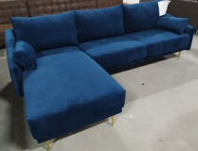 | Vadre | 1 | 1,949.00 €
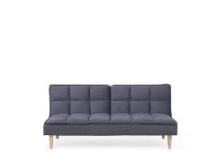 | SILJAN | 1 | 489.00 €
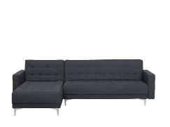 | ABERDEEN | 1 | 1,259.00 €
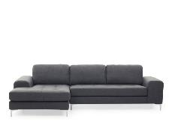 | KIRUNA | 1 | 2,269.00 €
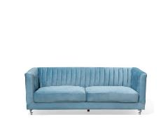 | ARVIKA | 1 | 1,099.00 €
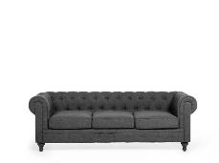 | CHESTERFIELD | 1 | 1,289.00 €
 | EIKE | 1 | 1,389.00 €
 | VISKAN | 1 | 1,139.00 €
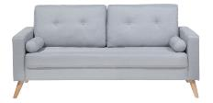 | KALMAR GRIGIO | 1 | 679.00 €
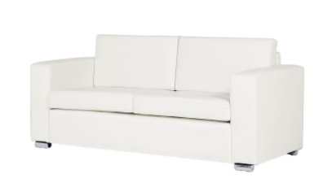 | HELSINKI 3 POSTI | 1 | 1,179.00 €
 |  | 39 | 35,753.00 €

