Items
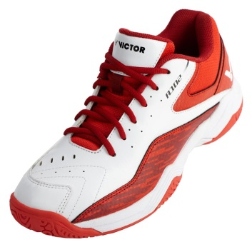

Artikl/Article | Produkt/Product | EU | 42 | 43 | 44 | 45 | 46 | 47 | Total
102AD | Victor A102 AD White/Red |  | 3 | 7 | 10 | 7 | 7 | 8 | 42
DMOC/RRP | 1 999,-/ 80Euro
B2B cena/price | 400,-/ 16Euro /pair
Min.doběr /MOQ | dle domluvy/no moq
Take all | 375,-/15 Euro/pair
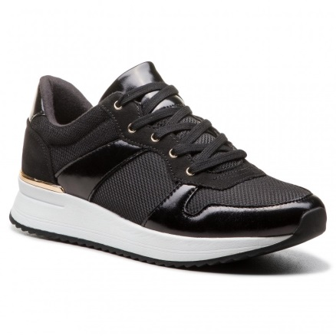

Artikl/Article | Produkt/Product | EU | 35 | 36 | 37 | 38 | 39 | 40 | Total
57033452-98 | Aldo Birenna Black |  | 3 | 9 | 28 | 34 | 16 | 8 | 98
DMOC/RRP | 2499,-/ 95Euro
B2B cena/price | 525,-/ 21Euro /pair
Min.doběr /MOQ | dle domluvy/no moq
Take all | 475,-/19 Euro/pair

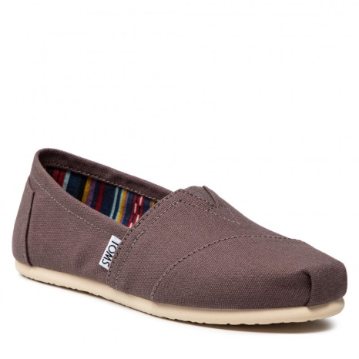
Artikl/Article | Produkt/Product | EU | 37 | 37.5 | 38 | Total
10000871 | Toms Classics Canvas Ash Women |  | 20 | 32 | 47 | 99
DMOC/RRP | 1499,-/60Euro
B2B cena/price | 325,-/13Euro
Min.doběr /MOQ | dle domluvy/no moq
Take all | 275,-/11 Euro/pair

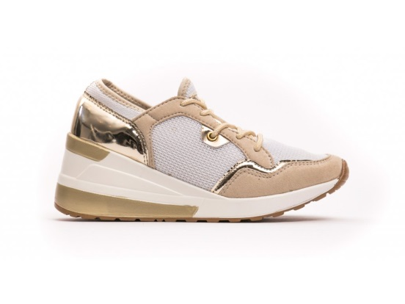
Artikl/Article | Produkt/Product | EU | 36 | 37 | 38 | 39 | 40 | Total
PDP9SW013_Beige | Greenhouse Polo PDP9SW013 |  | 3 | 3 | 6 | 5 | 2 | 19
DMOC/RRP | 2399,-/ 90Euro
B2B cena/price | 650,-/ 26Euro /pair
Min.doběr /MOQ | dle domluvy/no moq
Take all | 575,-/23 Euro/pair

Artikl/Article | Produkt/Product | EU | 36 | 37 | 38 | 39 | 40 | 41 | Total
PECP9A406_OroGold | Péché Originel PECP9A406 OroGold |  | 2 | 3 | 3 | 4 | 3 | 2 | 17
DMOC/RRP | 1599,-/ 65Euro
B2B cena/price | 450,-/ 18Euro /pair
Min.doběr /MOQ | dle domluvy/no moq
Take all | 400,-/16Euro/pair

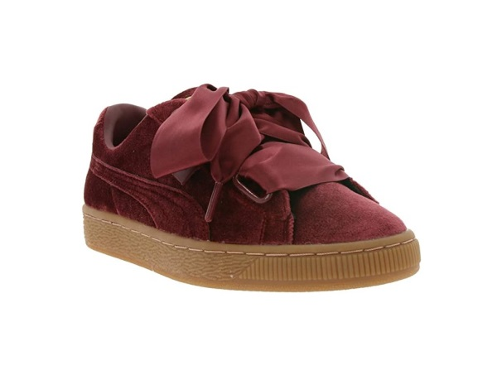
Artikl/Article | Produkt/Product | EU | 36 | 37 | 38 | 39 | 40 | Total
367274-02 | PUMA Vikki Basket Velvet 367274-02 |  | 6 | 6 | 10 | 8 | 2 | 32
DMOC/RRP | 1999,-/ 80Euro
B2B cena/price | 475,-/ 19Euro /pair
Min.doběr /MOQ | dle domluvy/no moq
Take all | 425,-/15Euro/pair

Artikl/Article | Produkt/Product | EU | 36 | 37.5 | 38 | 38.5 | 41 | 42 | 42.5 | 43 | 44 | 45 | Total
372976-01 | PUMA Mirage OG 372976-01 unisex |  | 1 | 2 | 2 | 1 | 2 | 4 | 4 | 5 | 3 | 2 | 26
DMOC/RRP | 2999,-/ 120Euro
B2B cena/price | 1075,-/ 43Euro /pair
Min.doběr /MOQ | dle domluvy/no moq
Take all | 925,-/37Euro/pair

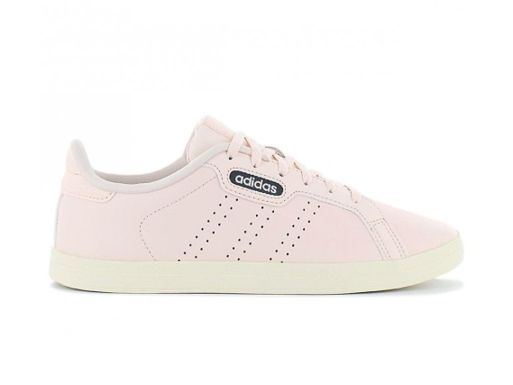
Artikl/Article | Produkt/Product | EU | 36 | 37.333333333 | 38 | 39.333333333 | 40 | 41.333333333 | Total
FW7389 | Adidas COURTPOINT CL X FW7389 |  | 1 | 3 | 4 | 2 | 3 | 3 | 16
DMOC/RRP | 2299,-/95Euro
B2B cena/price | 875,-/ 35Euro /pair
Min.doběr /MOQ | dle domluvy/no moq
Take all | 775,-/31Euro/pair

Artikl/Article | Produkt/Product | EU | 42.5 | 43 | 45 | 46 | 46.5 | 48 | Total
159757C | Converse Chuck Taylor All Star 70 Zip 159757C |  | 1 | 2 | 3 | 6 | 6 | 1 | 19
DMOC/RRP | 1999,-/80Euro
B2B cena/price | 750,-/ 30Euro /pair
Min.doběr /MOQ | dle domluvy/no moq
Take all | 675,-/27Euro/pair

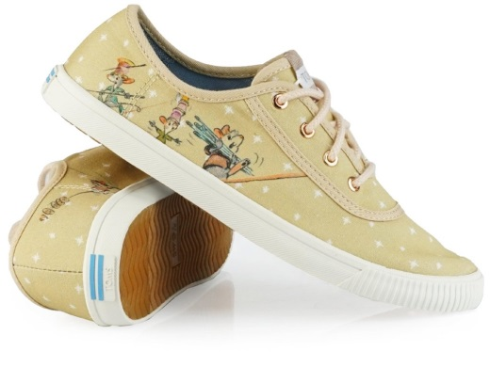
Artikl/Article | Produkt/Product | EU | 36 | 36.5 | 37 | 37.5 | 38.5 | 40 | 41 | 42 | Total
10012499 | TOMS Disney Carmel 10012499 |  | 2 | 2 | 2 | 3 | 1 | 1 | 3 | 2 | 16
DMOC/RRP | 1799,-/70Euro
B2B cena/price | 675,-/ 27Euro /pair
Min.doběr /MOQ | dle domluvy/no moq
Take all | 625,-/25Euro/pair

Artikl/Article | Produkt/Product | EU | 35.5 | 37 | 38 | 39 | 41 | 42 | 43 | 44 | 46 | Total
21102400-1104 | Native Apollo Moc Jiffy Black/Shell White Rubber |  | 1 | 2 | 2 | 2 | 3 | 3 | 3 | 3 | 1 | 20
DMOC/RRP | 1299,-/50Euro
B2B cena/price | 375,-/ 15Euro /pair
Min.doběr /MOQ | dle domluvy/no moq
Take all | 325,-/13Euro/pair

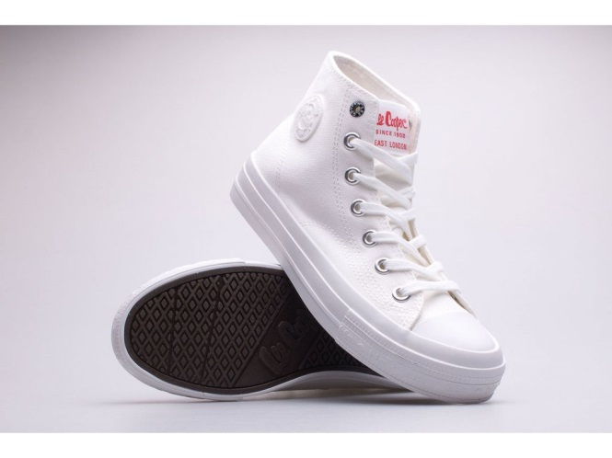
Artikl/Article | Produkt/Product | EU | 38 | 39 | 40 | 41 | Total
LCW-22-31-0906LB | LEE COOPER LCW-22-31-0906LB |  | 4 | 5 | 5 | 1 | 15
DMOC/RRP | 1199,-/45Euro
B2B cena/price | 425,-/ 17Euro /pair
Min.doběr /MOQ | dle domluvy/no moq
Take all | 375,-/15Euro/pair

Artikl/Article | Produkt/Product | EU | 42 | 43 | 44 | 45 | Total
LCW-22-31-0878M | LEE COOPER LCW-22-31-0878M |  | 2 | 5 | 5 | 4 | 16
DMOC/RRP | 1199,-/45Euro
B2B cena/price | 425,-/ 17Euro /pair
Min.doběr /MOQ | dle domluvy/no moq
Take all | 375,-/15Euro/pair

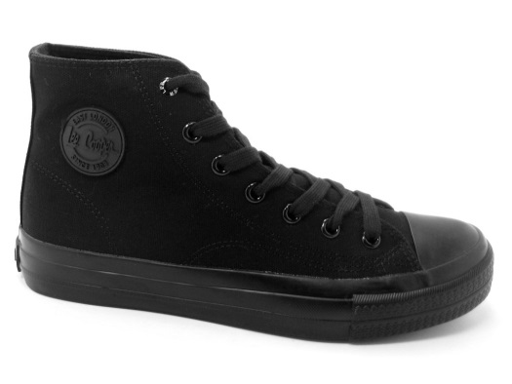
Artikl/Article | Produkt/Product | EU | 42 | 43 | 44 | 45 | Total
LCW-22-31-0904M | LEE COOPER LCW-22-31-0904M |  | 1 | 4 | 5 | 2 | 12
DMOC/RRP | 1299,-/50Euro
B2B cena/price | 475,-/ 19Euro /pair
Min.doběr /MOQ | dle domluvy/no moq
Take all | 450,-/18Euro/pair

