Arkusz1
Zdjecie | Ilość | Rozmiar
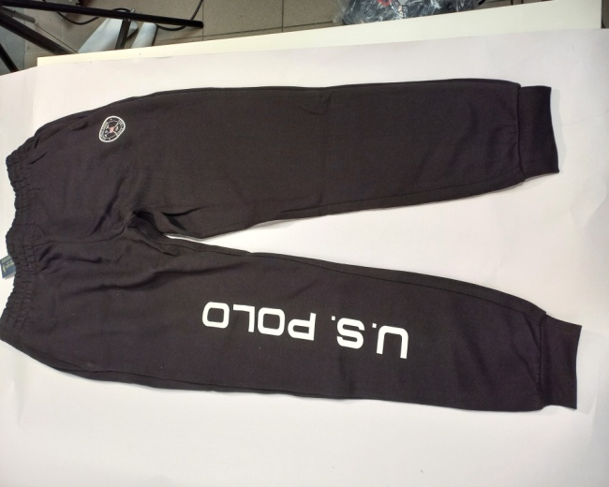

 | 12 | XS
 | 37 | S
 | 38 | M
 | 1 | L
 | 1 | XL

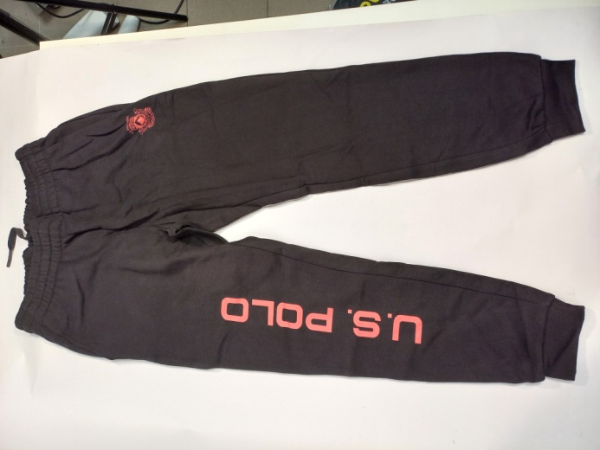

 | 18 | S
 | 31 | M
 | 13 | L

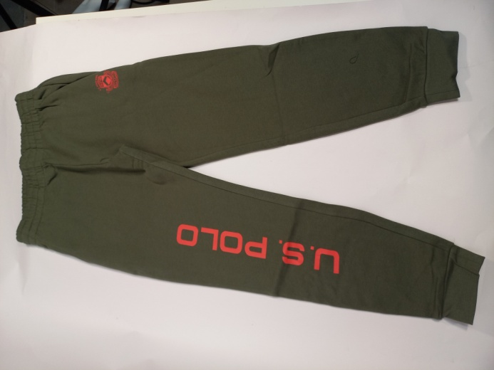
 | 18 | XS
 | 83 | S
 | 77 | M
 | 21 | L
 | 39 | XL

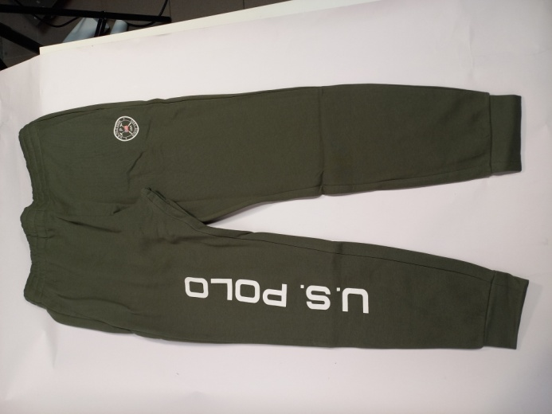

 | 3 | XS
 | 16 | S

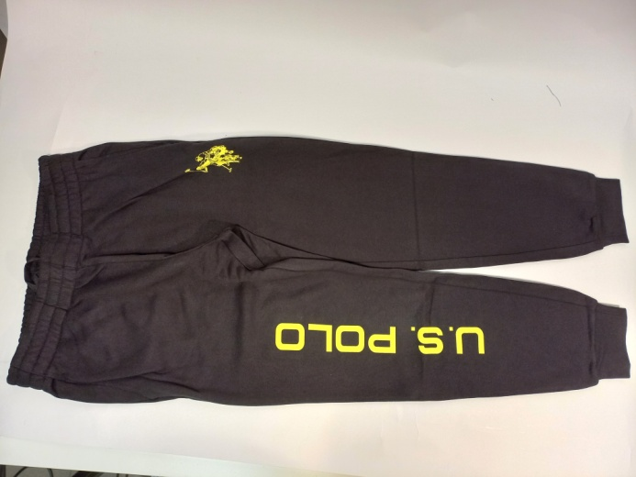

 | 16 | XS
 | 20 | S
 | 61 | L
 | 18 | XL

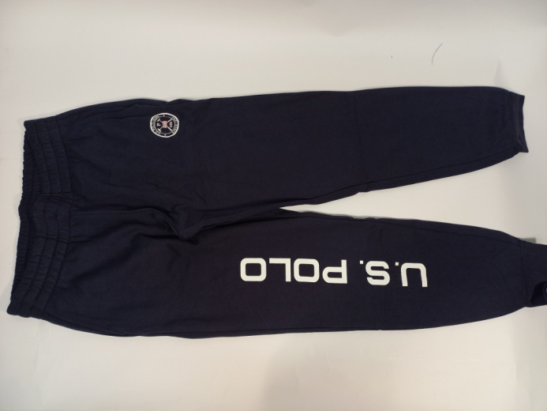

 | 74 | S
 | 101 | M
 | 22 | L
 | 21 | XL

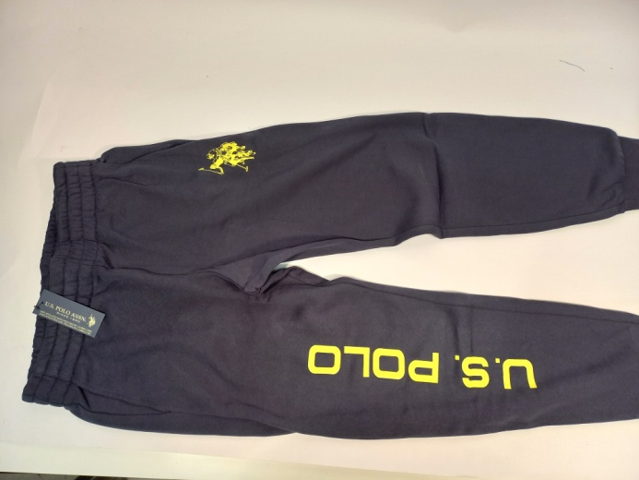

 | 17 | S
 | 21 | M
 | 59 | L
 | 19 | XL

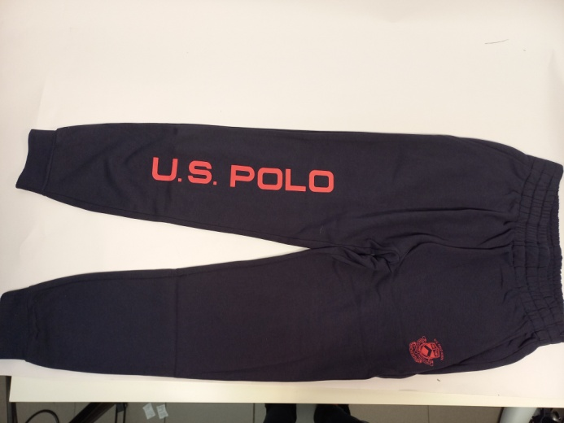

 | 80 | S
 | 115 | M
 | 22 | L
 | 19 | XL

